Rail Fare Revenue
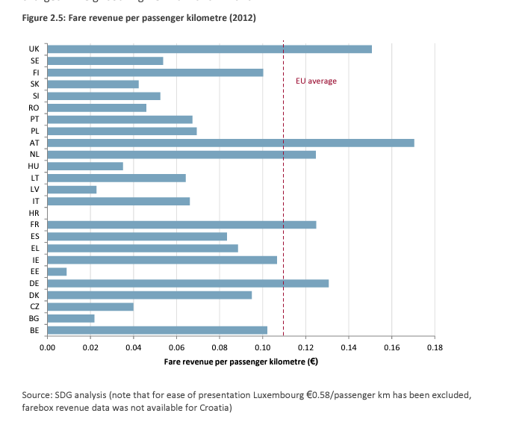
Fare revenue for rail
Source: Study on the Cost and Contribution of the Rail Sector

Passenger Rail
0.11 | Euro per passenger kilomtre
0.14 | 2012 USD per passenger kilometre
$0.23 | USD per passenger mile

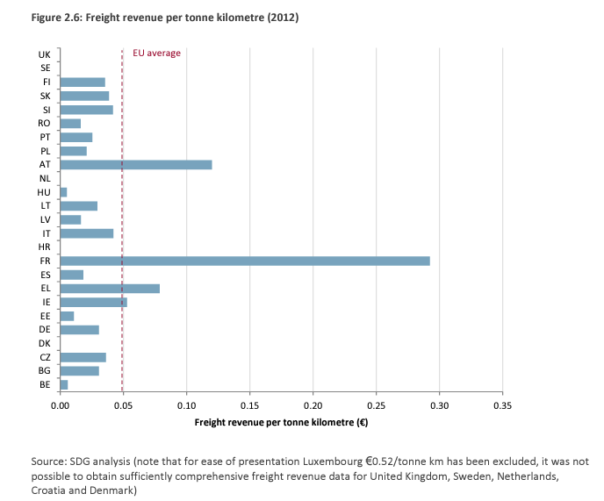
Freight Rail
0.05 | Euro per tonne kilometre
0.06 | 2012 USD per tonne kilometre
$0.10 | USD per ton mile

